Sheet1
 |  |  |  |  | deep | long |  |  | COST

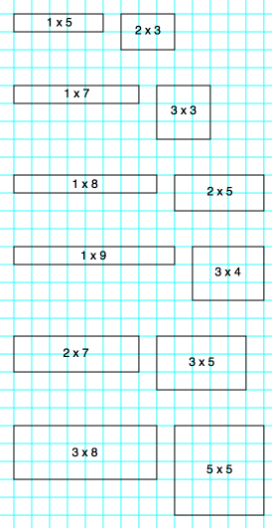
sqs deep | length | area | perimeter | COST
1 | 1 | 1 | 4 | 30
1 | 2 | 2 | 6 | 50 | 1 | 5 | 5 | 12 | 110
1 | 3 | 3 | 8 | 70 | 2 | 3 | 6 | 10 | 110
1 | 4 | 4 | 10 | 90
1 | 5 | 5 | 12 | 110
1 | 6 | 6 | 14 | 130 | 1 | 7 | 7 | 16 | 150
1 | 7 | 7 | 16 | 150 | 3 | 3 | 9 | 12 | 150
1 | 8 | 8 | 18 | 170
1 | 9 | 9 | 20 | 190
1 | 10 | 10 | 22 | 210
2 | 2 | 4 | 8 | 80 | 1 | 8 | 8 | 18 | 170
2 | 3 | 6 | 10 | 110 | 2 | 5 | 10 | 14 | 170
2 | 4 | 8 | 12 | 140
2 | 5 | 10 | 14 | 170
2 | 6 | 12 | 16 | 200 | 1 | 9 | 9 | 20 | 190
2 | 7 | 14 | 18 | 230 | 3 | 4 | 12 | 14 | 190
2 | 8 | 16 | 20 | 260
2 | 9 | 18 | 22 | 290
2 | 10 | 20 | 24 | 320
3 | 3 | 9 | 12 | 150 | 2 | 7 | 14 | 18 | 230
3 | 4 | 12 | 14 | 190 | 3 | 5 | 15 | 16 | 230
3 | 5 | 15 | 16 | 230
3 | 6 | 18 | 18 | 270
3 | 7 | 21 | 20 | 310
3 | 8 | 24 | 22 | 350 | 3 | 8 | 24 | 22 | 350
3 | 9 | 27 | 24 | 390 | 5 | 5 | 25 | 20 | 350
3 | 10 | 30 | 26 | 430
4 | 4 | 16 | 16 | 240
4 | 5 | 20 | 18 | 290
4 | 6 | 24 | 20 | 340
4 | 7 | 28 | 22 | 390
4 | 8 | 32 | 24 | 440
4 | 9 | 36 | 26 | 490
4 | 10 | 40 | 28 | 540
5 | 5 | 25 | 20 | 350
5 | 6 | 30 | 22 | 410
5 | 7 | 35 | 24 | 470
5 | 8 | 40 | 26 | 530
5 | 9 | 45 | 28 | 590
5 | 10 | 50 | 30 | 650
6 | 6 | 36 | 24 | 480
6 | 7 | 42 | 26 | 550
6 | 8 | 48 | 28 | 620
6 | 9 | 54 | 30 | 690
6 | 10 | 60 | 32 | 760

